Sheet1
Temperature Calculator and Work-Rest Cycle Chart
Use the calculator below to determine your adjusted temperature. |  | Check the chart below to see if you should be operating under a work-rest cycle.
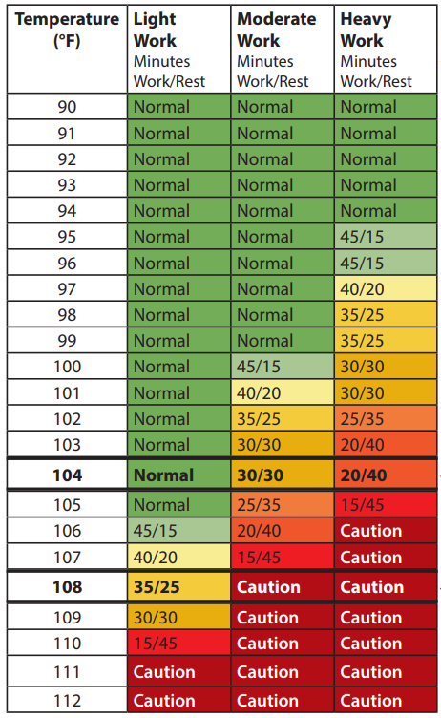
Work:Rest Cycle Calculator
Enter Air Temp here:
Full Sun? If so add 13 here:
Partly Cloudy or Overcast? If so, add 7 here:
Fully Overcast? If so, add 0 here:
Relative Humidity:
0 - 10% add -8 here:
11 - 20% add -4 here:
21 - 30% add 0 here:
31 - 40% add 3 here:
41 - 50% add 6 here:
51 - 100% add 9 here:
Are you wearing double layer cloth clothing? If so, add 3 here:
Adjusted Temperature | 0

Source:
Criteria for a Recommended Standard: Occupational Exposure to Heat and Hot Environments
https://www.cdc.gov/niosh/docs/2016-106/pdfs/2016-106.pdf

